Diagram
 | Displacement at mid-span [mm]
0.00E+00 | 0.00E+00
1.00E-02 | 6.99E-02
2.00E-02 | 1.40E-01
3.00E-02 | 2.10E-01
4.00E-02 | 2.80E-01
5.00E-02 | 3.50E-01
6.00E-02 | 4.20E-01
7.00E-02 | 4.90E-01
8.00E-02 | 5.59E-01
9.00E-02 | 6.29E-01
1.00E-01 | 6.99E-01
1.10E-01 | 7.69E-01
1.20E-01 | 8.39E-01
1.30E-01 | 9.09E-01
1.40E-01 | 9.80E-01
1.50E-01 | 1.05E+00
1.60E-01 | 1.12E+00
1.70E-01 | 1.19E+00
1.80E-01 | 1.26E+00
1.90E-01 | 1.33E+00
2.00E-01 | 1.40E+00
2.10E-01 | 1.47E+00
2.20E-01 | 1.54E+00
2.30E-01 | 1.61E+00
2.40E-01 | 1.68E+00
2.50E-01 | 1.75E+00
2.60E-01 | 1.82E+00
2.70E-01 | 1.89E+00
2.80E-01 | 1.96E+00
2.90E-01 | 2.03E+00
3.00E-01 | 2.10E+00
3.10E-01 | 2.17E+00
3.20E-01 | 2.24E+00
3.30E-01 | 2.31E+00
3.40E-01 | 2.38E+00
3.50E-01 | 2.45E+00
3.60E-01 | 2.52E+00
3.70E-01 | 2.59E+00
3.80E-01 | 2.66E+00
3.90E-01 | 2.73E+00
4.00E-01 | 2.80E+00
4.10E-01 | 2.87E+00
4.20E-01 | 2.94E+00
4.30E-01 | 3.01E+00
4.40E-01 | 3.08E+00
4.50E-01 | 3.15E+00
4.60E-01 | 3.23E+00
4.70E-01 | 3.30E+00
4.80E-01 | 3.37E+00
4.90E-01 | 3.44E+00
...

Deflected shape
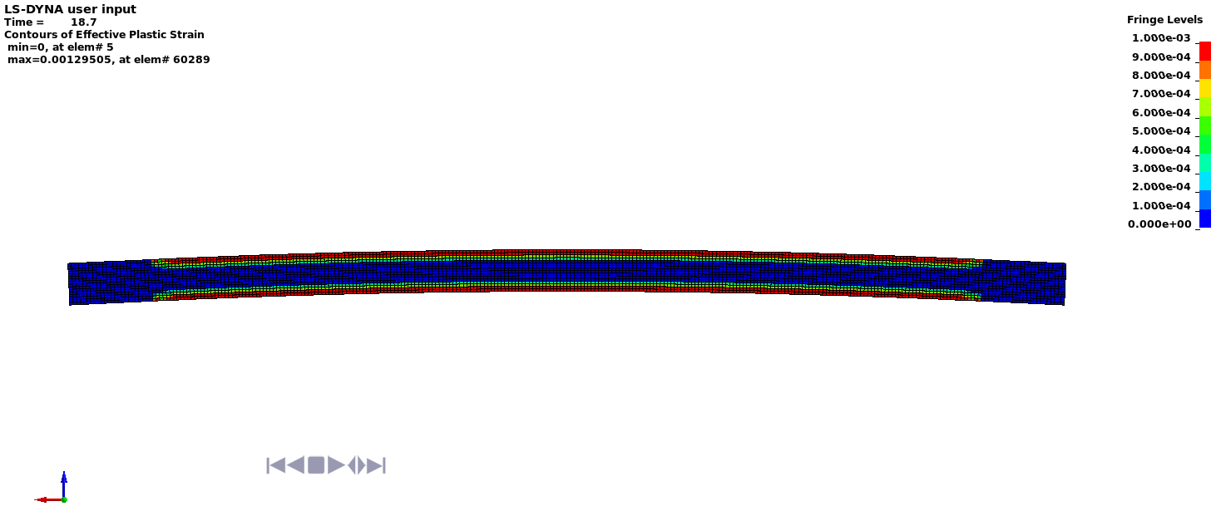

Deflected shape with visible contours of plasticity

